Sheet1
Modular Charger Design

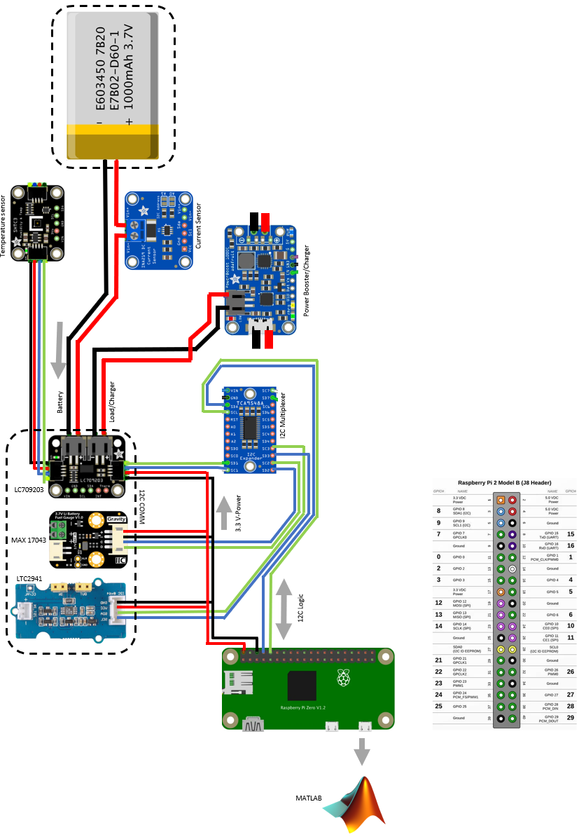
 | Number | Name | Manufacture | Manufactor part number | Description/Spesification | Technical Squeches | Price | Qty | Sub Total | Estimated shiping | Total | Web Link to Confirm | Web Link Vendor
 | 1 | Lirhium Ion Polymer Battery 3.7v 1200mAh | Adafruit | LP-503562 | Weight: 23g Dimensions: 34mm x 62mm x 5mm / 1.3" x 2.4" x 0.2" Output: 1200mAh at 3.7V nominal | 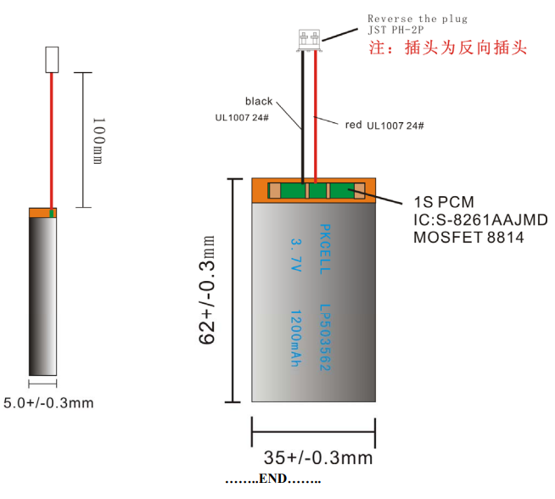 | $9.95 | 4 | $39.80 |  |  | https://www.adafruit.com/product/258#description

 | 2 | VERTER 5V USB Buck-Boost - 500mA from 3V-5V / 1000ma from 5V-12V | Adafruit | TPS63060 | PCB Dimensions: 19mm x 32mm x 5mm / 0.7" x 1.3" x 0.2" Weight: 2.5g | 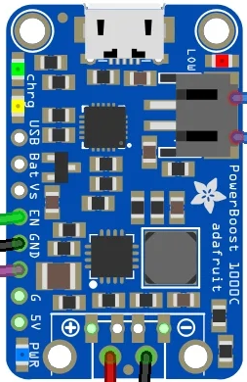 | $19.95 | 4 | $79.80 |  |  | https://www.adafruit.com/product/2465

 | 3 | Adafruit LC709203F LiPoly / LiIon Fuel Gauge and Battery Monitor - STEMMA JST PH & QT / Qwiic | ON Semiconductor | LC7009203F |  | 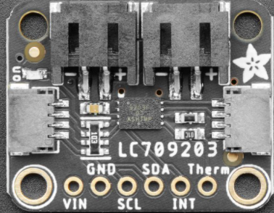 | $5.95 | 4 | $23.80 |  |  | https://www.adafruit.com/product/4712

 | 4 | Adafruit LC709203F LiPoly / LiIon Fuel Gauge and Battery Monitor - STEMMA JST PH & QT / Qwiic | Analog device | LTC2941 |  | 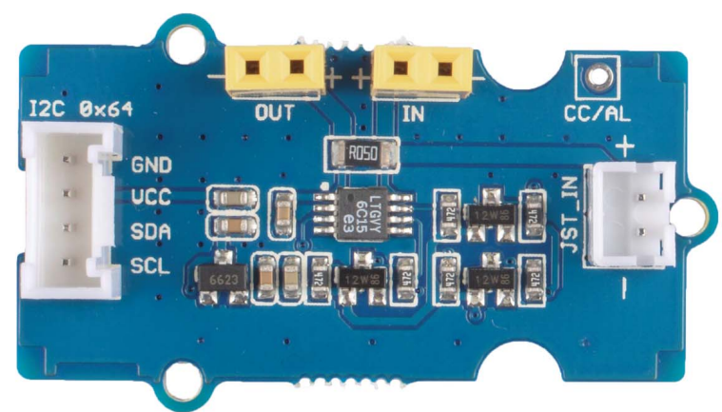 | $5.70 | 4 | $22.80 |  |  | https://www.mouser.ca/c/semiconductors/power-management-ics/battery-management/?m=Analog%20Devices%20Inc.&series=LTC2941

 | 6 | Adafruit LC709203F LiPoly / LiIon Fuel Gauge and Battery Monitor - STEMMA JST PH & QT / Qwiic | Maxim integrated | MAX 17043 |  | 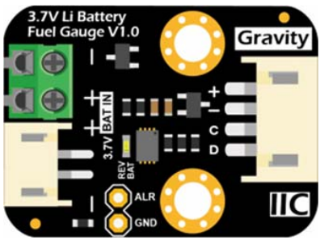 | 13.29 | 4 | $53.16 |  |  | https://www.amazon.com/MAX17043-Detection-Communication-Interface-Monitoring/dp/B07VH2LKV3

 | 7 | Multiplexer 1x8 | Adafruit | TCA9548A |  |  | $6.95 | 1 | $6.95 |  |  | https://www.adafruit.com/product/2717

 | 8 | Raspberry Pi Zero W | Adafruit | Raspberry pi | Product Dimensions: 66.0mm x 30.5mm x 5.0mm / 2.6" x 1.2" x 0.2" Product Weight: 9.3g / 0.3oz | 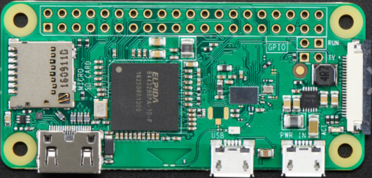 | $10.00 | 1 | $10.00 |  |  | https://www.adafruit.com/product/3400

 | 9 | Sensirion | Adafruit | SHTC3 | Ultra-low power consumption Humidity measurement range of 0 to 100 %RH Temperature measurement range of -40 °C to 125 °C Typical accuracy: ±2 %RH and ±0.2 °C Power-up and measurement within 1 ms NIST traceability I2C address 0x70 | 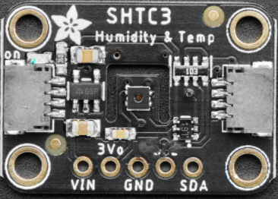 | $6.95 | 4 | $27.80 |  |  | https://www.adafruit.com/product/4636

 | 10 | Jumper Cable | Adafruit | JST-PH 2-pin | 100mm long | 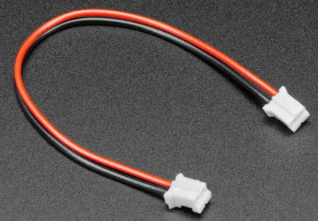 | $0.95 | 10 | $9.50 |  |  | https://www.adafruit.com/product/4714

 | 11 | JST SH 4-Pin Cable | Adafruit | STEMMA QT / Qwiic JST SH 4-Pin Cable - 50mm Long | Black for GND Red for V+ - For Qwiic boards, 3.3V. For STEMMA QT, 3 to 5V. Blue for SDA Yellow for SCL |  | $0.95 | 15 | $14.25 |  |  | https://www.adafruit.com/product/4399

 | 12 | pins right-angle male | Adafruit | Break-away 0.1" 36-pin strip right-angle male header (10 pack) | 0.1" 36-pin strip right-angle male header(10 pack) | 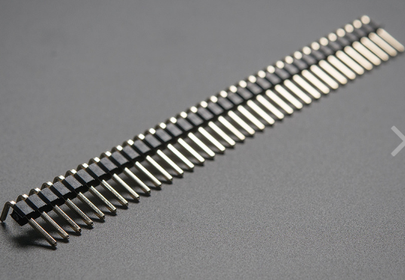 | $5.95 | 1 | 5.95 |  |  | https://www.adafruit.com/product/1540#technical-details

 | 13 | pin Strip Right-Angle Female | Adafruit | 0.1" 36-pin Strip Right-Angle Female/Socket Header (5 pack) | 0.1" 36-pin Strip Right-Angle Female/Socket Header (5 pack) |  | $4.95 | 0 | 0 |  |  | https://www.adafruit.com/product/1542

 | 14 | Pin Female heather | Adafruit | 36-pin 0.1" Female header - pack of 5! | 36-pin 0.1" Female header - pack of 5! |  | $2.95 | 3 | 8.85 |  |  | https://www.adafruit.com/product/598

 | 15 | Premium male/male Jumper | Adafruit | Premium Male/Male Jumper Wires | Premium Male/Male Jumper Wires - 40 x 6" (150mm) | 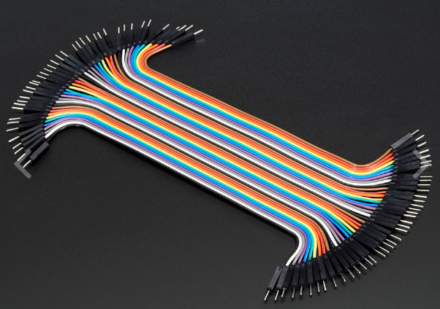 | $3.95 | 1 | 3.95 |  |  | https://www.adafruit.com/product/758

 | 16 | pins strip male header | Adafruit | Break-away 0.1" 36-pin strip male header - Black - 10 pack | Break-away 0.1" 36-pin strip male header - Black - 10 pack |  | $4.95 | 1 | 4.95 |  |  | https://www.adafruit.com/product/392

 | 17 | Perma-Proto | Adafruit | Perma-Proto Super Pack | Adafruit Perma-Proto Full-sized Breadboard PCB - half sized Perma-Proto -Quarter-size perma_proto PCBs | 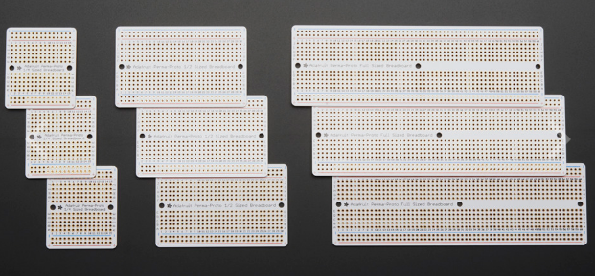 | $34.95 | 1 | 34.95 |  |  | https://www.adafruit.com/product/1606

 | 18 | Premium Male/Male | Adafruit | Premium Male/Male Jumper Wires | Premium Male/Male Jumper Wires - 40 x 3" (75mm) | 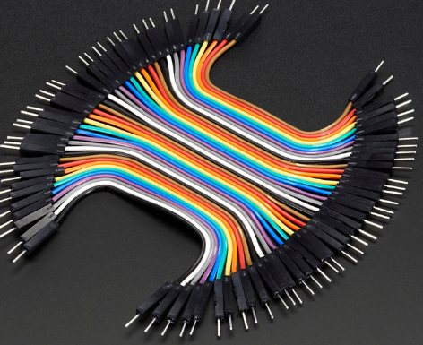 | $3.95 | 1 | 3.95 |  |  | https://www.adafruit.com/product/759

 | 19 | Raspberry Pi Charger | Adafruit | Raspberry pi USB B charger | 5V 2.5A Switching Power Supply with 20AWG MicroUSB Cable |  | $8.25 | 1 | $8.25 |  |  | https://www.adafruit.com/product/1995

 | 20 | Memory Card | Adafruit | 16 GB card | 16GB Card with NOOBS 3.1 for Raspberry Pi Computers including 4 |  | $14.95 | 1 | $14.95 |  |  | https://www.adafruit.com/product/4266

